DIV 4 TOY
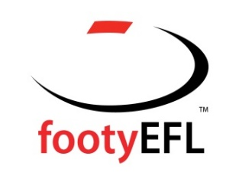

 |  | 2017 DIVISION 4
 |  | SEN TEAM OF THE YEAR

Backs | Bede Briscomb | Todd Burger | Cameron McArthur
 | Surrey Park | Forest Hill | Kilysth

Half-Backs | Chris Ryan | James Powell | James Rausa
 | Whitehorse | Forest Hill | Donvale

Centres | Maverick Gleed | Sam Coghlan | Darcy Carrigan
 | Whitehorse | Donvale | Coldstream

Half-Forwards | Adam Amin | Leigh Odermatt | Nick Pincott
 | Glen Waverley Hawks | Coldstream | Forest Hill

Forwards | Graham Johns | Nicholas Murphy | Jack Purcell
 | Surrey park | Donvale | Donvale

Followers | Zac Haig | Lucas Gibbons | Matt Leardi
 | Donvale | Forest Hill | Donvale

Interchange | Sean Currey | Michael Paolini | Andrew Knight
 | Kilsyth | Surrey Park | Silvan

 | Andrew Padbury
 | Whitehorse

 | Coach | Matt Fife (Donvale)
 | Captain | Maverick Gleed (Whitehorse)

